Sheet1
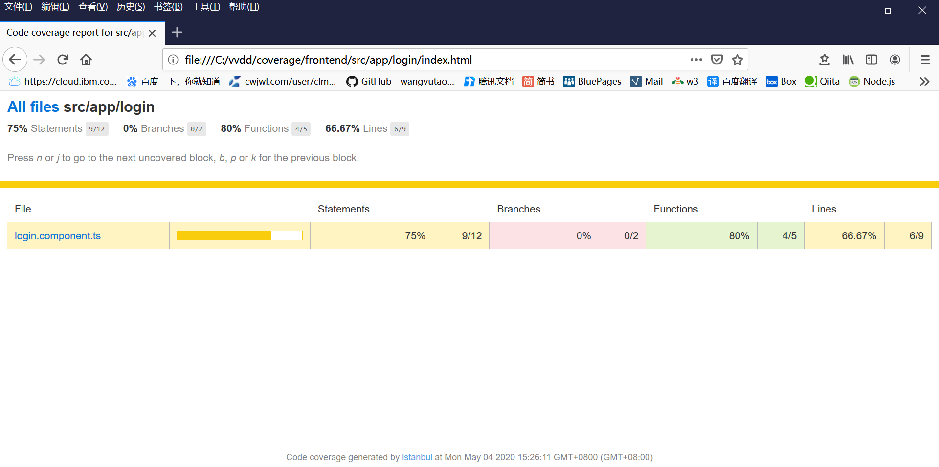
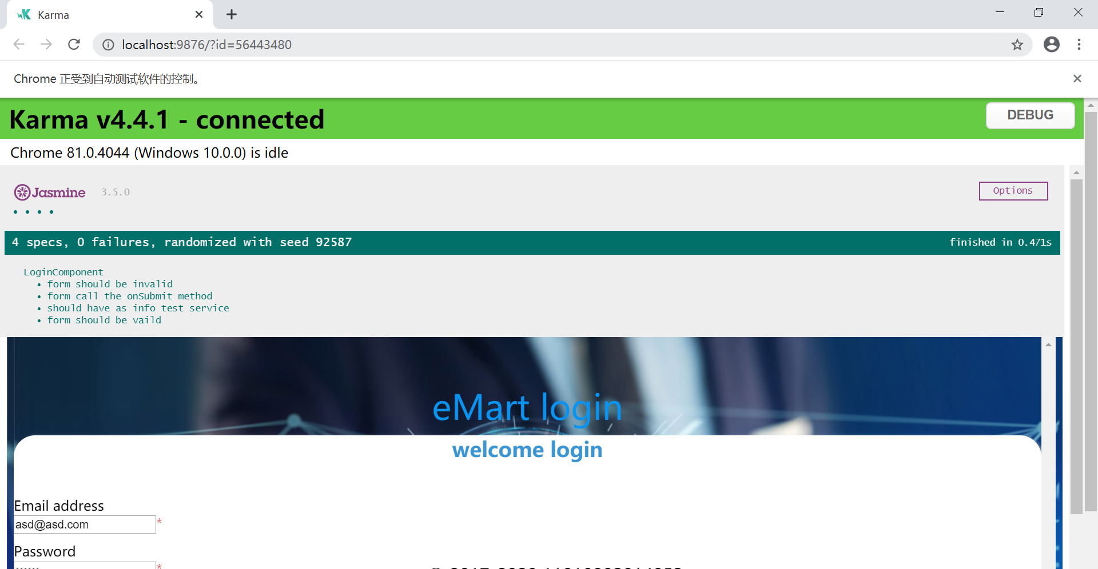

Unit Testing LoginComponent & LoginService
by Jasmine

